GLOSSARY
The proponent is Opal lakes shire council, and they’ve submitted a business case. The minister wants our expert economic advice on this subject.....
TASK : - 1) What are the project’s results for the central estimate( BCR,NPV,NPV/1)? What are the key assumptions?
2)Which senstivity tests would be appropriate for this CBA? Please run the senstivity tests and report the results in BCR,NPV,NPV/1?
3) What are the main sources of benefits and costs in the central estimate (in net present value)? Which value type chosen by the proponent have you chosen to exclude and why?

ECONOMIC DATA AND CALCULATIONS
Economic Data and Calculations

This is your workspace to note down data, perform calculations, and make comments on data validity/reliability. We've pre-filled the consumer surplus section to give you an idea of how you could use this space, but it's up to you.
In this case, we've pulled out key figures from the business case that will help us calculate consumer surplus. We know that NSW households would value the project at roughly $10 per household, and that $7.50 and $12 are the values for a 95% confidence interval. We also know that the ABS reported 2,604,320 households in NSW in the last Census.
So with the above information, we can simply multiply the WTP figures by the amount of households to obtain consumer surplus estimates.
Hint: Those sensitivity calculations might be helpful in the minister brief...
Consumer Surplus
Data
Willingness to pay | Source | Notes
$10.00 | Business Case | Central estimate
$7.50 | Business Case | Sensitivity - 95% confidence lower bound
$12.00 | Business Case | Sensitivity - 95% confidence upper bound
NSW households
2,604,320 | Business Case | 2016 ABS figure. Would be more accurate to estimate growth since 2016, but this isn't in scope for this assessment.

Calculation
WTP | Consumer surplus | Notes
$10.00 | - | Central estimate
$7.50 | - | Sensitivity - 95% confidence lower bound
$12.00 | - | Sensitivity - 95% confidence upper bound

Visitation

BRIEF TO THE MINISTER
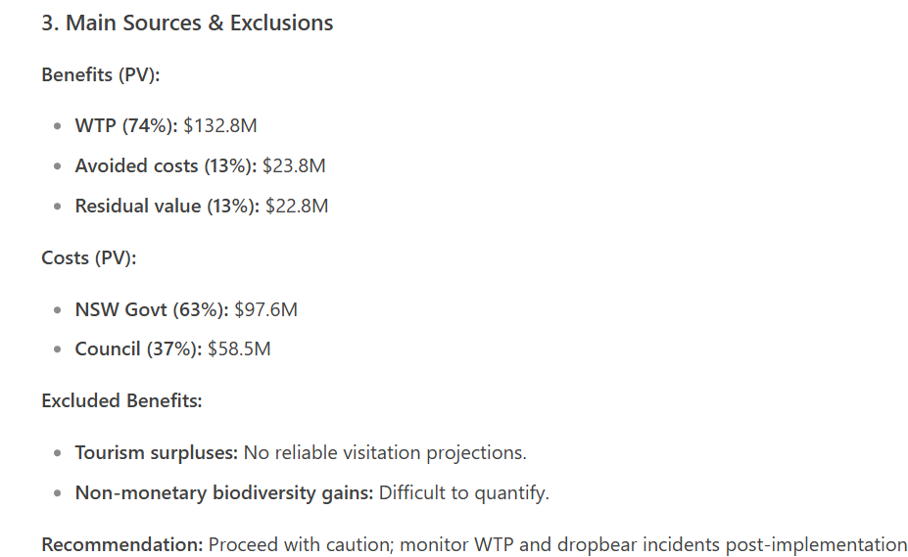
Brief to Minister
Task: You are assessing the proponent's application. Prepare a rapid CBA for the construction period and 5 years of operations, and answer the questions below. Note that the Minister is short on time, so keep your answers as direct and concise as possible.
1. What are the project's results for the central estimate (BCR, NPV, NPV/I)? What are the key assumptions?
10 Central estimate results
BCR :- 1.15, NPV :- $23.4M NPV/I :- 0.24 | KEY ASSUMPTIONS :- WTP:- $10/HOUSEHOLD .--> 26.4M DOLLARS , DISCOUNTED RATE = 7% PER YEAR, TIMEFRAME = 20% OF CAPEX, AVOIDED COSTS = $5M/YEAR.

2. Which sensitivity tests would be appropriate for this CBA? Please run the sensitivity tests and report the results in BCR, NPV and NPV/I.
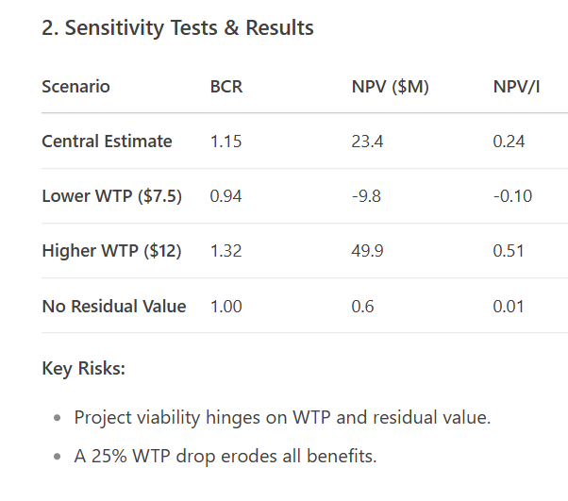

3. What are the main sources of benefits and costs in the central estimate (in net present value)? Which benefit types claimed by the proponent have you chosen to exclude, and why?

